Sheet1
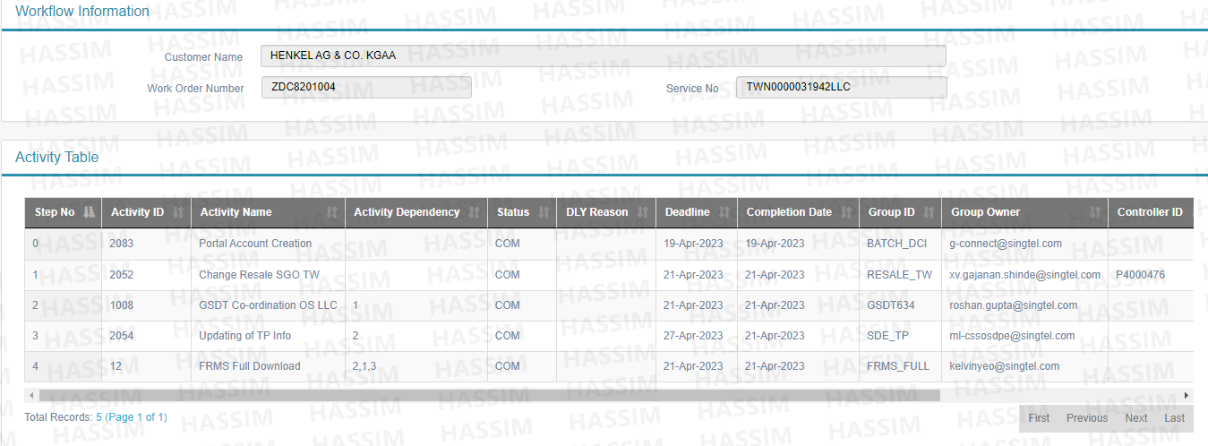
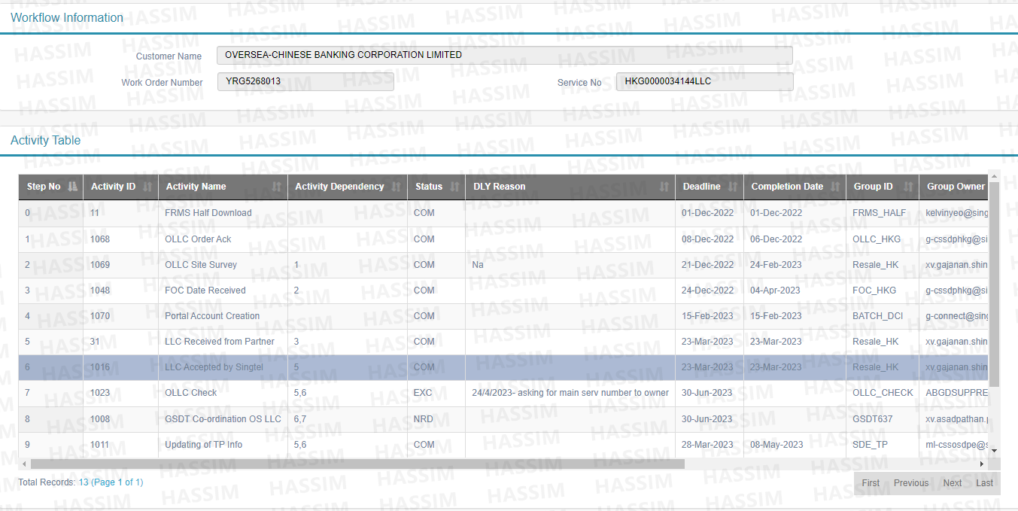
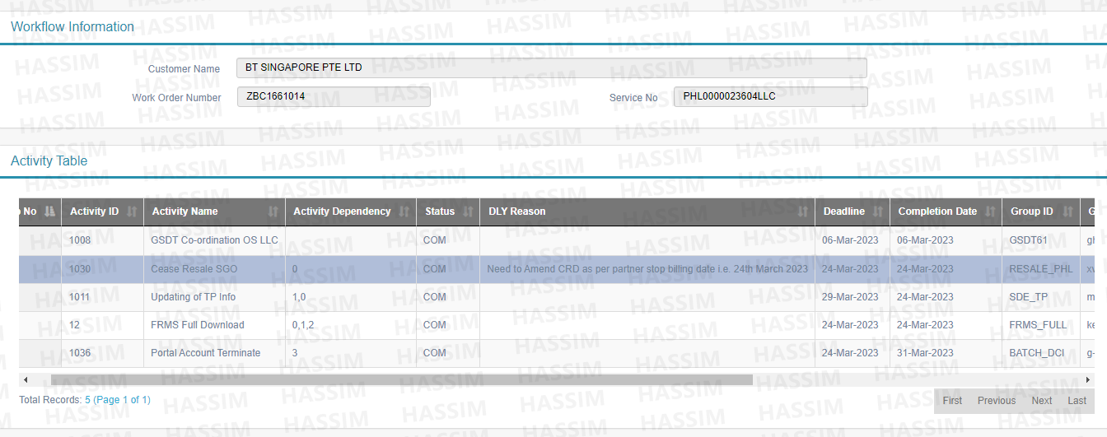
Workorder | Service No | Customer Name | Activity name | Group ID | CRD | Order type | PO No | NPC | Order creation date | Comm date | Originating Country | Originating Carrier | Main Svc Type | Main Svc No | LLC Partner reference
ZDC8201004 | TWN0000031942LLC | HENKEL AG & CO. KGAA | GSDT Co-ordination OS LLC | GSDT634 | 2023-04-21 | change |  | RSL0011 |  | 2023-04-26 | TAIWAN | CHIEF (RESELL APTG FTTB) | C+IP VPN | CGI0000041795TPE | ELL-21111600003
YRG5268013 | HKG0000034144LLC | OVERSEA-CHINESE BANKING CORPORATION LIMITED | GSDT Co-ordination OS LLC | GSDT637 | 2023-06-30 | provide |  | RSL0005 |  | ? | HONG KONG | HGC | STIX | 0000043527 | NG0171765A/B
ZAH1739016 | HKG0000039043LLC | ZURICH SERVICES (HONG KONG) LIMITED | GSDT Co-ordination OS LLC | GSDT637 | 2023-04-12 | provide |  | RSL0044 |  | 2023-04-06 | HONG KONG | PCCW - PCCW Ltd | C+IP VPN | 00290586HKG | CF798462
ZAT1518002 | THA0000039133LLC | VISA WORLDWIDE SINGAPORE PTE. LIMITED | GSDT Co-ordination OS LLC | GSDT635 | 2023-03-28 | provide |  |  |  |  | THAILAND | INT - INTERNET THAILAND PUBLIC COMPANY | C+IP VPN | 00291273BKK | ME38784
YRD5652004 | INS0000029054LLC | BASF SOUTH EAST ASIA PTE LTD | GSDT Co-ordination OS LLC | GSDT641 | 2023-02-28 | change |  |  |  | 2023-04-06 | INDONESIA | PLN - PT LINK NET TBK | C+IP VPN | 00200481JKT | TI-2000183-01
ZBC1661014 | PHL0000023604LLC | BT SINGAPORE PTE LTD | GSDT Co-ordination OS LLC | GSDT61 | 2023-03-24 | cease |  |  |  | 2023-03-10 | PHILIPPINES | PLD - PHILIPPINES LONG DISTANCE | C+IP VPN | 00156572MKI | SP21-082018-41458
ZBY5717006 | USA0000026718LLC | PAPER EXCELLENCE CANADA HOLDING CORPORATION | GSDT Co-ordination OS LLC | GSDT61 | 2023-03-31 | cease |  |  |  | 2023-04-09 | USA | L3C - LEVEL 3 Communications LLC | C+IP VPN | 00181238LAX | 00/VLXX/216459/LVLC & BC/KXFN/216460/LVLC
ZBE9516002 | KOR0000028735LLC | BASF SOUTH EAST ASIA PTE LTD | GSDT Co-ordination OS LLC | GSDT641 | 2023-04-06 | change |  |  |  | 2023-04-27 | SOUTH KOREA | SKB - SK Broadband CO LTD | C+IP VPN | 00195691SEL | 7312331290

ZBC5867001 | CGI0000048178TOK | JOHNSON & JOHNSON PTE LTD | GSDT GI Coordination Work | GSDT_PS22 | 2023-04-15 | provide |  |  |  |  | JAPAN | CLT - Colt Telecommunications | Deterministic DIA | CGI0000048178TOK | ?
YMH6935001 | CGI0000042494ALW | ADIDAS AG | GSDT GI Coordination Work | GSDT_PS23 | 2023-04-20 | provide |  |  |  |  | INDIA | TAC - TATA Communications | Dedicated Internet Access | CGI0000042494ALW | 091ALWA030037566551_1032485
ZBE9571001 | CGI0000032006HCM | SCHENKER AG | GSDT GI Coordination Work | GSDT_PS23 | 2023-04-21 | change |  |  |  | 2023-04-25 | VIETNAM | EXP - EXPERIO SINGAPORE PTE LTD | Broadband (xDSL) | RVP00146194VTM | ORD-01674009
YPH8484003 | CGI0000043052HCM | GUCCI SINGAPORE PTE LTD | GSDT GI Coordination Work | GSDT_PS24 | 2023-04-10 | provide |  |  |  | 2023-04-12 | VIETNAM | NEV - NEVIGATE COMMUNICATIONS (S) PTE LTD | Broadband (FTTx) | CGI0000043052HCM | ?
YHB8063001 | CGI0000028619CBI | HENKEL AG & CO. KGAA | GSDT GI Coordination Work | GSDT_PS21 | 2023-02-25 | cease |  |  |  | ? | THAILAND | EXP - EXPERIO SINGAPORE PTE LTD | Dedicated Internet Access | CGI0000028619CBI | ORD-01564985

ZAY2142021 | ELINE

ZCE3365002 | USA0000014471LLC | THE PUTNAM ADVISORY COMPANY, LLC SINGAPORE BRANCH | GSDT Co-ordination OS LLC | RDC_ILC4 | 2023-04-14 | cease |  |  |  | 2023-04-14 | USA | VERIZON | E-LINE | ? | ?
ZBQ2523003 | KOR0000026861LLC | DEUTSCHE TELEKOM GBS JAPAN K.K | GSDT Co-ordination OS LLC | GSDT1 | 2023-04-01 | cease |  |  |  | 2023-04-03 | SOUTH KOREA | SJI - SEJONG TELECOM INC | ? | ? | 2019-002640

